Planilha1
 |  |  | SEG8-DP | SEG7-g | SEG-f | SEG5-e | SEG4-d | SEG3-c | SEG2-b | SEG1-a |  |  |  |  | X | X | X | X | X | X | SEG10 | SEG9
 |  | HEX | B7 | B6 | B5 | B4 | B3 | B2 | B1 | B0 |  |  |  | HEX | B7 | B6 | B5 | B4 | B3 | B2 | B1 | B0
Display Memory Address | 0x00 | 0x00 | 0 | 0 | 0 | 0 | 0 | 0 | 0 | 0 | GRID1 - DIG1 | Display Memory Address | 0x01 | 0x00 | 0 | 0 | 0 | 0 | 0 | 0 | 0 | 0 | GRID1 - DIG1
 | 0x02 | 0x00 | 0 | 0 | 0 | 0 | 0 | 0 | 0 | 0 | GRID2 - DIG2 |  | 0x03 | 0x00 | 0 | 0 | 0 | 0 | 0 | 0 | 0 | 0 | GRID2 - DIG2
 | 0x04 | 0x00 | 0 | 0 | 0 | 0 | 0 | 0 | 0 | 0 | GRID3 - DIG3 |  | 0x05 | 0x00 | 0 | 0 | 0 | 0 | 0 | 0 | 0 | 0 | GRID3 - DIG3
 | 0x06 | 0x00 | 0 | 0 | 0 | 0 | 0 | 0 | 0 | 0 | GRID4 - DIG4 |  | 0x07 | 0x00 | 0 | 0 | 0 | 0 | 0 | 0 | 0 | 0 | GRID4 - DIG4
 | 0x08 | 0x00 | 0 | 0 | 0 | 0 | 0 | 0 | 0 | 0 | GRID5 - DIG5 |  | 0x09 | 0x00 | 0 | 0 | 0 | 0 | 0 | 0 | 0 | 0 | GRID5 - DIG5
 | 0x0A | 0x00 | 0 | 0 | 0 | 0 | 0 | 0 | 0 | 0 | GRID6 - DIG6 |  | 0x0B | 0x00 | 0 | 0 | 0 | 0 | 0 | 0 | 0 | 0 | GRID6 - DIG6
 | 0x0C | 0x00 | 0 | 0 | 0 | 0 | 0 | 0 | 0 | 0 | GRID7 - DIG7 |  | 0x0D | 0x00 | 0 | 0 | 0 | 0 | 0 | 0 | 0 | 0 | GRID7 - DIG7
 | 0x0E | 0x00 | 0 | 0 | 0 | 0 | 0 | 0 | 0 | 0 | GRID8 - DIG8 |  | 0x0F | 0x00 | 0 | 0 | 0 | 0 | 0 | 0 | 0 | 0 | GRID8 - DIG8
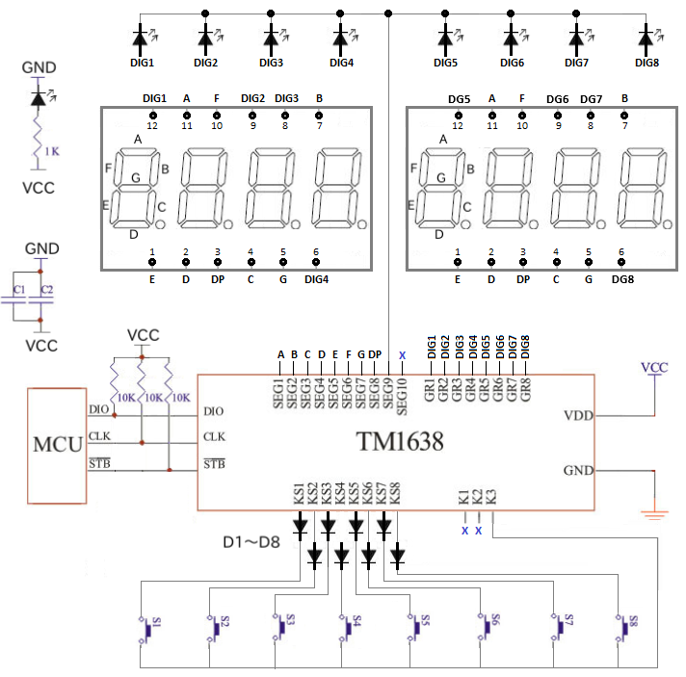
 |  |  | X | X | X | X | X | X | SEG10 | SEG9
 |  | HEX | B7 | B6 | B5 | B4 | B3 | B2 | B1 | B0
Data Command Set | Write Data to Display Register | 0x40 | 0 | 1 | 0 | 0 | 0 | 0 | 0 | 0
 | Read the Key Scan Data | 0x42 | 0 | 1 | 0 | 0 | 0 | 0 | 1 | 0
 | Automatic Address Increased | 0x40 | 0 | 1 | 0 | 0 | 0 | 0 | 0 | 0
 | Fixed Address | 0x44 | 0 | 1 | 0 | 0 | 0 | 1 | 0 | 0
 | Normal Mode | 0x40 | 0 | 1 | 0 | 0 | 0 | 0 | 0 | 0
 | Test Mode | 0x48 | 0 | 1 | 0 | 0 | 1 | 0 | 0 | 0

 |  | HEX | B7 | B6 | B5 | B4 | B3 | B2 | B1 | B0
Address Command Set | Address 0x00 | 0xC0 | 1 | 1 | 0 | 0 | 0 | 0 | 0 | 0
 | Address 0x01 | 0xC1 | 1 | 1 | 0 | 0 | 0 | 0 | 0 | 1
 | Address 0x02 | 0xC2 | 1 | 1 | 0 | 0 | 0 | 0 | 1 | 0
 | Address 0x03 | 0xC3 | 1 | 1 | 0 | 0 | 0 | 0 | 1 | 1
 | Address 0x04 | 0xC4 | 1 | 1 | 0 | 0 | 0 | 1 | 0 | 0
 | Address 0x05 | 0xC5 | 1 | 1 | 0 | 0 | 0 | 1 | 0 | 1
 | Address 0x06 | 0xC6 | 1 | 1 | 0 | 0 | 0 | 1 | 1 | 0
 | Address 0x07 | 0xC7 | 1 | 1 | 0 | 0 | 0 | 1 | 1 | 1
 | Address 0x08 | 0xC8 | 1 | 1 | 0 | 0 | 1 | 0 | 0 | 0
 | Address 0x09 | 0xC9 | 1 | 1 | 0 | 0 | 1 | 0 | 0 | 1
 | Address 0x0A | 0xCA | 1 | 1 | 0 | 0 | 1 | 0 | 1 | 0
 | Address 0x0B | 0xCB | 1 | 1 | 0 | 0 | 1 | 0 | 1 | 1
 | Address 0x0C | 0xCC | 1 | 1 | 0 | 0 | 1 | 1 | 0 | 0
 | Address 0x0D | 0xCD | 1 | 1 | 0 | 0 | 1 | 1 | 0 | 1
 | Address 0x0E | 0xCE | 1 | 1 | 0 | 0 | 1 | 1 | 1 | 0
 | Address 0x0F | 0xCF | 1 | 1 | 0 | 0 | 1 | 1 | 1 | 1

 |  | HEX | B7 | B6 | B5 | B4 | B3 | B2 | B1 | B0
Display Control Command Set | Display Off | 0x80 | 1 | 0 | 0 | 0 | 0 | 0 | 0 | 0
 | Set the Pulse Width to 1/16 | 0x88 | 1 | 0 | 0 | 0 | 1 | 0 | 0 | 0
 | Set the Pulse Width to 2/16 | 0x89 | 1 | 0 | 0 | 0 | 1 | 0 | 0 | 1
 | Set the Pulse Width to 2/16 | 0x8A | 1 | 0 | 0 | 0 | 1 | 0 | 1 | 0
 | Set the Pulse Width to 10/16 | 0x8B | 1 | 0 | 0 | 0 | 1 | 0 | 1 | 1
 | Set the Pulse Width to 11/16 | 0x8C | 1 | 0 | 0 | 0 | 1 | 1 | 0 | 0
 | Set the Pulse Width to 12/16 | 0x8D | 1 | 0 | 0 | 0 | 1 | 1 | 0 | 1
 | Set the Pulse Width to 13/16 | 0x8E | 1 | 0 | 0 | 0 | 1 | 1 | 1 | 0
 | Set the Pulse Width to 14/16 | 0x8F | 1 | 0 | 0 | 0 | 1 | 1 | 1 | 1

 |  |  | X | K1 | K2 | K3 | X | K1 | K2 | K3
 |  | HEX | B7 | B6 | B5 | B4 | B3 | B2 | B1 | B0
Key Scan Data Register | BYTE1 | 0x00 | 0 | 0 | 0 | 0 | 0 | 0 | 0 | 0
 | BYTE2 | 0x00 | 0 | 0 | 0 | 0 | 0 | 0 | 0 | 0
 | BYTE3 | 0x00 | 0 | 0 | 0 | 0 | 0 | 0 | 0 | 0
 | BYTE4 | 0x00 | 0 | 0 | 0 | 0 | 0 | 0 | 0 | 0

